c1_R2
Sweep | Event Time (s) | Threshold (V) | Threshold Time (s) | Peak (V) | Peak Time (s) | AHP (V) | AHP Time (s) | Absolute Event Time (s) | Interevent Interval (s) | Max Slope (V/s) | Min Slope (V/s) | AP Duration @ 50% (s) | Threshold (mV) | Threshold Time (ms) | Peak (mV) | Peak Time (ms) | AHP m(V) | AHP Time (ms) | Interevent Interval (s) | Max Slope (V/s) | Min Slope (V/s) | Max/Min dV/dt | AP Duration @ 50% (s) | Number of Events | Time | First Event |  | Last Event |  | Copyable |  |  | dV/dt Graph
1 | 0.02555 | -0.047259521 | -0.00069999998 | 0.026428223 | 0.00030000001 | -0.053100586 | 0.0145 | 0.049106002 |  | 200.25635 | -64.941406 | 0.00099794334 | -46.11865631 | -0.66874999435 | 26.293280899 | 0.29133065516 | -52.538299556 | 13.44516129 | 40.333603534 | 203.25765319 | -65.418612839 | 3.1070309254 | 0.98468395355 | 248 | X | Y (V) | Y (mV) | Y (V) | Y (mV) |  |  |  | ReviewAP | diffAP
1 | 0.068800002 | -0.047192384 | -0.00069999998 | 0.026531983 | 0.00030000001 | -0.052380372 | 0.01255 | 0.092356004 | 0.043250002 | 204.95605 | -65.979004 | 0.00098166906 |  |  |  |  |  |  |  |  |  |  |  |  | 0 | -0.048616886 | -48.616886 | -0.0487854 | -48.7854 | 0 | -48.616886 | -48.7854 | -0.0487854 | 0.36619604
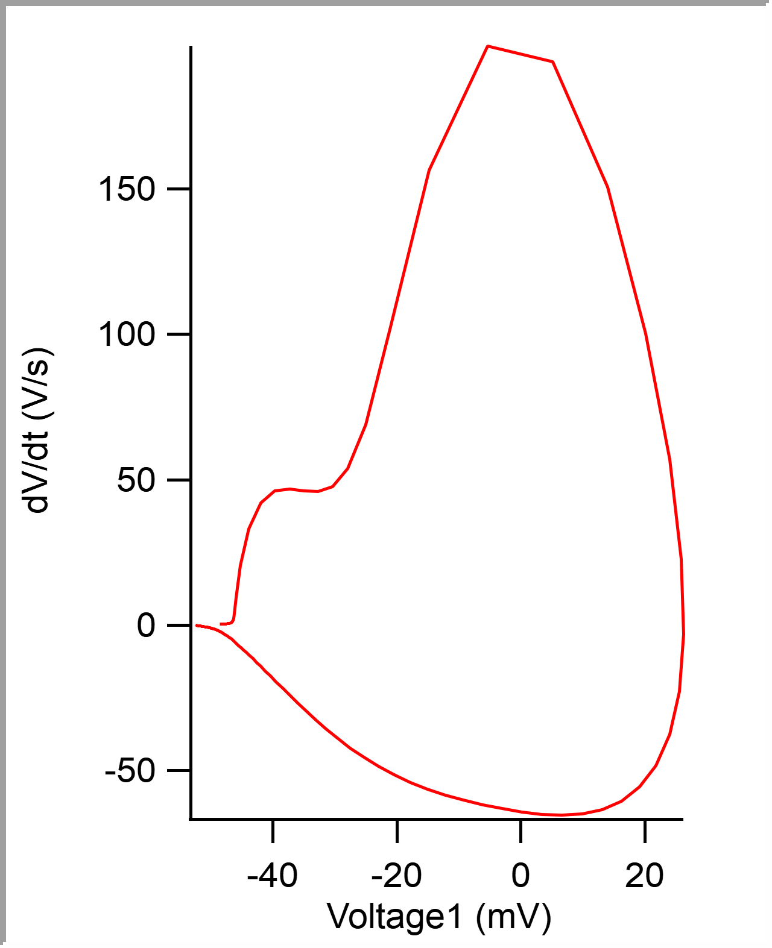
1 | 0.107 | -0.046234131 | -0.00065 | 0.02664795 | 0.00030000001 | -0.052258302 | 0.0129 | 0.130556 | 0.038199998 | 202.33154 | -64.147949 | 0.00099834043 |  |  |  |  |  |  |  |  |  |  |  |  | 5.00E-05 | -0.048597671 | -48.597671 | -0.04876709 | -48.76709 | 0.00005 | -48.597671 | -48.76709 | -0.04876709 | 0.54929405
1 | 0.14094999 | -0.047186278 | -0.00069999998 | 0.026232909 | 0.00030000001 | -0.052874755 | 0.01465 | 0.16450599 | 0.033949986 | 200.68359 | -66.650391 | 0.00099161582 |  |  |  |  |  |  |  |  |  |  |  |  | 0.0001 | -0.04858055 | -48.58055 | -0.04873047 | -48.73047 | 0.0001 | -48.58055 | -48.73047 | -0.04873047 | 0.61035156
1 | 0.1816 | -0.045855712 | -0.00065 | 0.026568603 | 0.00030000001 | -0.051940918 | 0.01235 | 0.205156 | 0.04065001 | 206.48193 | -65.429688 | 0.00098460203 |  |  |  |  |  |  |  |  |  |  |  |  | 0.00015 | -0.048562661 | -48.562661 | -0.048706055 | -48.706055 | 0.00015 | -48.562661 | -48.706055 | -0.048706055 | 0.24415553
1 | 0.21619999 | -0.046453856 | -0.00069999998 | 0.026367188 | 0.00025000001 | -0.052032471 | 0.0149 | 0.23975599 | 0.03459999 | 206.11572 | -63.96484 | 0.00099961029 |  |  |  |  |  |  |  |  |  |  |  |  | 0.0002 | -0.048544742 | -48.544742 | -0.048706055 | -48.706055 | 0.0002 | -48.544742 | -48.706055 | -0.048706055 | 0.12207776
1 | 0.25825 | -0.045684814 | -0.00065 | 0.026483154 | 0.00030000001 | -0.052435301 | 0.0141 | 0.28180599 | 0.042050004 | 204.71191 | -63.720703 | 0.00099536125 |  |  |  |  |  |  |  |  |  |  |  |  | 0.00025 | -0.048525337 | -48.525337 | -0.048693847 | -48.693847 | 0.00025 | -48.525337 | -48.693847 | -0.048693847 | 0.18309802
1 | 0.29899999 | -0.04590454 | -0.00065 | 0.026446532 | 0.00030000001 | -0.052355956 | 0.0149 | 0.32255599 | 0.040749997 | 202.94189 | -64.941414 | 0.00099323806 |  |  |  |  |  |  |  |  |  |  |  |  | 0.0003 | -0.048507635 | -48.507635 | -0.048687745 | -48.687745 | 0.0003 | -48.507635 | -48.687745 | -0.048687745 | 0.30517578
1 | 0.33504999 | -0.047680665 | -0.00069999998 | 0.026367188 | 0.00030000001 | -0.052435301 | 0.0146 | 0.35860598 | 0.036049992 | 205.50537 | -65.795898 | 0.00099442573 |  |  |  |  |  |  |  |  |  |  |  |  | 0.00035 | -0.048489027 | -48.489027 | -0.048663329 | -48.663329 | 0.00035 | -48.489027 | -48.663329 | -0.048663329 | 0.36623329
1 | 0.37345001 | -0.047180176 | -0.00069999998 | 0.026519775 | 0.00025000001 | -0.052557372 | 0.01325 | 0.39700601 | 0.038400024 | 208.43506 | -67.260742 | 0.00097969931 |  |  |  |  |  |  |  |  |  |  |  |  | 0.0004 | -0.048469637 | -48.469637 | -0.048651122 | -48.651122 | 0.0004 | -48.469637 | -48.651122 | -0.048651122 | 0.18309802
1 | 0.41150001 | -0.046014406 | -0.00065 | 0.026623536 | 0.00030000001 | -0.052264404 | 0.01015 | 0.435056 | 0.038049996 | 203.49123 | -65.734863 | 0.00099336891 |  |  |  |  |  |  |  |  |  |  |  |  | 0.00045 | -0.048450787 | -48.450787 | -0.04864502 | -48.64502 | 0.00045 | -48.450787 | -48.64502 | -0.04864502 | 0.12204051
1 | 0.4522 | -0.045599364 | -0.00065 | 0.026763916 | 0.00030000001 | -0.052056886 | 0.01305 | 0.47575599 | 0.040699989 | 203.97949 | -64.758301 | 0.0009961105 |  |  |  |  |  |  |  |  |  |  |  |  | 0.0005 | -0.048431158 | -48.431158 | -0.048638918 | -48.638918 | 0.0005 | -48.431158 | -48.638918 | -0.048638918 | 0.54933131
1 | 0.49065 | -0.045593262 | -0.00065 | 0.026733398 | 0.00030000001 | -0.053179931 | 0.014 | 0.51420599 | 0.038450003 | 200.62256 | -63.354492 | 0.0010036087 |  |  |  |  |  |  |  |  |  |  |  |  | 0.00055 | -0.048412029 | -48.412029 | -0.048590086 | -48.590086 | 0.00055 | -48.412029 | -48.590086 | -0.048590086 | 0.67140907
1 | 0.53694999 | -0.045513917 | -0.00065 | 0.026550293 | 0.00030000001 | -0.052368164 | 0.0146 | 0.56050599 | 0.046299994 | 207.39746 | -65.490723 | 0.00097543868 |  |  |  |  |  |  |  |  |  |  |  |  | 0.0006 | -0.048392769 | -48.392769 | -0.048571777 | -48.571777 | 0.0006 | -48.392769 | -48.571777 | -0.048571777 | 0.42721629
1 | 0.57905 | -0.045379639 | -0.00065 | 0.02677002 | 0.00030000001 | -0.052862547 | 0.0144 | 0.602606 | 0.042100012 | 204.04053 | -64.758301 | 0.00098768109 |  |  |  |  |  |  |  |  |  |  |  |  | 0.00065 | -0.048372697 | -48.372697 | -0.048547365 | -48.547365 | 0.00065 | -48.372697 | -48.547365 | -0.048547365 | 0.61035156
1 | 0.62010002 | -0.045568846 | -0.00065 | 0.026635742 | 0.00025000001 | -0.052258302 | 0.0146 | 0.64365602 | 0.041050017 | 206.604 | -63.964844 | 0.00098606991 |  |  |  |  |  |  |  |  |  |  |  |  | 0.0007 | -0.048353042 | -48.353042 | -0.048510741 | -48.510741 | 0.0007 | -48.353042 | -48.510741 | -0.048510741 | 0.42725354
1 | 0.66100001 | -0.045660399 | -0.00065 | 0.026800537 | 0.00030000001 | -0.05194702 | 0.0144 | 0.68455601 | 0.040899992 | 206.05469 | -65.551758 | 0.00098486582 |  |  |  |  |  |  |  |  |  |  |  |  | 0.00075 | -0.04833268 | -48.33268 | -0.048504639 | -48.504639 | 0.00075 | -48.33268 | -48.504639 | -0.048504639 | 0.18309802
1 | 0.69889998 | -0.045562744 | -0.00065 | 0.026586914 | 0.00030000001 | -0.052093506 | 0.0123 | 0.72245598 | 0.037899971 | 202.08739 | -63.720699 | 0.0010022984 |  |  |  |  |  |  |  |  |  |  |  |  | 0.0008 | -0.048311491 | -48.311491 | -0.048492432 | -48.492432 | 0.0008 | -48.311491 | -48.492432 | -0.048492432 | 0.73242933
1 | 0.7342 | -0.046246339 | -0.00065 | 0.026666259 | 0.00030000001 | -0.052270509 | 0.01475 | 0.75775599 | 0.035300016 | 203.61327 | -65.856934 | 0.00098735048 |  |  |  |  |  |  |  |  |  |  |  |  | 0.00085 | -0.048291933 | -48.291933 | -0.048431396 | -48.431396 | 0.00085 | -48.291933 | -48.431396 | -0.048431396 | 0.73242933
1 | 0.77219999 | -0.04614868 | -0.00065 | 0.026672363 | 0.00030000001 | -0.052081298 | 0.01295 | 0.79575598 | 0.037999988 | 206.17676 | -66.101074 | 0.00098724023 |  |  |  |  |  |  |  |  |  |  |  |  | 0.0009 | -0.048270922 | -48.270922 | -0.048419189 | -48.419189 | 0.0009 | -48.270922 | -48.419189 | -0.048419189 | 0.24415553
1 | 0.81010002 | -0.045147706 | -0.00065 | 0.026446532 | 0.00030000001 | -0.052404784 | 0.0112 | 0.83365601 | 0.037900031 | 203.30811 | -66.772469 | 0.00097483245 |  |  |  |  |  |  |  |  |  |  |  |  | 0.00095 | -0.048251286 | -48.251286 | -0.048406981 | -48.406981 | 0.00095 | -48.251286 | -48.406981 | -0.048406981 | 0.30517578
1 | 0.8477 | -0.046051025 | -0.00065 | 0.026446532 | 0.00030000001 | -0.052117921 | 0.0124 | 0.87125599 | 0.037599981 | 204.65088 | -65.185547 | 0.00098643126 |  |  |  |  |  |  |  |  |  |  |  |  | 0.001 | -0.048230309 | -48.230309 | -0.048388671 | -48.388671 | 0.001 | -48.230309 | -48.388671 | -0.048388671 | 0.36619604
1 | 0.8872 | -0.045477293 | -0.00069999998 | 0.026348878 | 0.00025000001 | -0.052191161 | 0.01365 | 0.91075599 | 0.039499998 | 203.125 | -64.697273 | 0.00098667457 |  |  |  |  |  |  |  |  |  |  |  |  | 0.00105 | -0.048210271 | -48.210271 | -0.048370361 | -48.370361 | 0.00105 | -48.210271 | -48.370361 | -0.048370361 | 0.12207776
1 | 0.92825001 | -0.045697022 | -0.00065 | 0.026550293 | 0.00030000001 | -0.052301027 | 0.0138 | 0.95180601 | 0.041050017 | 200.56152 | -65.612793 | 0.00098101038 |  |  |  |  |  |  |  |  |  |  |  |  | 0.0011 | -0.048189152 | -48.189152 | -0.048376463 | -48.376463 | 0.0011 | -48.189152 | -48.376463 | -0.048376463 | 0.061020255
1 | 0.96864998 | -0.04673462 | -0.00065 | 0.026544189 | 0.00030000001 | -0.052313231 | 0.0149 | 0.99220598 | 0.040399969 | 205.50537 | -66.101074 | 0.00099001767 |  |  |  |  |  |  |  |  |  |  |  |  | 0.00115 | -0.048168331 | -48.168331 | -0.048364259 | -48.364259 | 0.00115 | -48.168331 | -48.364259 | -0.048364259 | 0.54929405
1 | 1.0061001 | -0.046472169 | -0.00065 | 0.026660156 | 0.00030000001 | -0.052593995 | 0.01225 | 1.0296561 | 0.037450075 | 203.7964 | -66.28418 | 0.00098288455 |  |  |  |  |  |  |  |  |  |  |  |  | 0.0012 | -0.048147567 | -48.147567 | -0.048321534 | -48.321534 | 0.0012 | -48.147567 | -48.321534 | -0.048321534 | 0.85450709
1 | 1.0401 | -0.048132323 | -0.00069999998 | 0.02644043 | 0.00030000001 | -0.052569579 | 0.01395 | 1.063656 | 0.03399992 | 207.51953 | -66.528328 | 0.00098774943 |  |  |  |  |  |  |  |  |  |  |  |  | 0.00125 | -0.048127629 | -48.127629 | -0.048278809 | -48.278809 | 0.00125 | -48.127629 | -48.278809 | -0.048278809 | 0.4882738
1 | 1.07995 | -0.04586792 | -0.00065 | 0.026269531 | 0.00030000001 | -0.052404784 | 0.01275 | 1.103506 | 0.039849997 | 201.0498 | -64.575195 | 0.0010022455 |  |  |  |  |  |  |  |  |  |  |  |  | 0.0013 | -0.048106182 | -48.106182 | -0.048272707 | -48.272707 | 0.0013 | -48.106182 | -48.272707 | -0.048272707 | 0.36619604
1 | 1.12015 | -0.046246339 | -0.00069999998 | 0.026525879 | 0.00030000001 | -0.052624512 | 0.014 | 1.143706 | 0.040199995 | 201.29395 | -65.368652 | 0.00098588527 |  |  |  |  |  |  |  |  |  |  |  |  | 0.00135 | -0.048085049 | -48.085049 | -0.048242189 | -48.242189 | 0.00135 | -48.085049 | -48.242189 | -0.048242189 | 0.48831105
1 | 1.1614 | -0.046405029 | -0.00069999998 | 0.026568603 | 0.00025000001 | -0.052624512 | 0.0138 | 1.184956 | 0.04124999 | 207.33643 | -64.758301 | 0.00098398817 |  |  |  |  |  |  |  |  |  |  |  |  | 0.0014 | -0.048064031 | -48.064031 | -0.048223875 | -48.223875 | 0.0014 | -48.064031 | -48.223875 | -0.048223875 | 0.42725354
1 | 1.201 | -0.046527099 | -0.00065 | 0.026525879 | 0.00030000001 | -0.052557372 | 0.01465 | 1.224556 | 0.039600015 | 202.81982 | -63.903812 | 0.0010040043 |  |  |  |  |  |  |  |  |  |  |  |  | 0.00145 | -0.048042618 | -48.042618 | -0.048199464 | -48.199464 | 0.00145 | -48.042618 | -48.199464 | -0.048199464 | 0.54929405
1 | 1.24005 | -0.046551514 | -0.00069999998 | 0.02647705 | 0.00025000001 | -0.051861573 | 0.01345 | 1.263606 | 0.039049983 | 205.7495 | -66.28418 | 0.00097655249 |  |  |  |  |  |  |  |  |  |  |  |  | 0.0015 | -0.048021227 | -48.021227 | -0.048168946 | -48.168946 | 0.0015 | -48.021227 | -48.168946 | -0.048168946 | 0.42725354
1 | 1.274 | -0.046960451 | -0.00069999998 | 0.026269531 | 0.00030000001 | -0.052160643 | 0.0134 | 1.297556 | 0.03395009 | 203.85742 | -65.307625 | 0.00099014957 |  |  |  |  |  |  |  |  |  |  |  |  | 0.00155 | -0.047999535 | -47.999535 | -0.048156738 | -48.156738 | 0.00155 | -47.999535 | -48.156738 | -0.048156738 | 0.42725354
1 | 1.3124501 | -0.047235109 | -0.00069999998 | 0.026245117 | 0.00030000001 | -0.052398682 | 0.01305 | 1.336006 | 0.038450003 | 198.60841 | -64.453125 | 0.0010044106 |  |  |  |  |  |  |  |  |  |  |  |  | 0.0016 | -0.047978029 | -47.978029 | -0.048126221 | -48.126221 | 0.0016 | -47.978029 | -48.126221 | -0.048126221 | 0.54933131
1 | 1.3487 | -0.045532227 | -0.00069999998 | 0.026043702 | 0.00025000001 | -0.051715087 | 0.0116 | 1.372256 | 0.036249995 | 202.75879 | -62.5 | 0.00099699222 |  |  |  |  |  |  |  |  |  |  |  |  | 0.00165 | -0.047955986 | -47.955986 | -0.048101805 | -48.101805 | 0.00165 | -47.955986 | -48.101805 | -0.048101805 | 0.54933131
1 | 1.3865 | -0.04558716 | -0.00065 | 0.026306152 | 0.00030000001 | -0.051721193 | 0.01355 | 1.410056 | 0.037799954 | 203.00293 | -65.307617 | 0.00098856492 |  |  |  |  |  |  |  |  |  |  |  |  | 0.0017 | -0.047935452 | -47.935452 | -0.048071288 | -48.071288 | 0.0017 | -47.935452 | -48.071288 | -0.048071288 | 0.54929405
1 | 1.42335 | -0.045428466 | -0.00065 | 0.026452636 | 0.00030000001 | -0.052508544 | 0.0146 | 1.446906 | 0.036849976 | 197.26563 | -64.880371 | 0.00098729564 |  |  |  |  |  |  |  |  |  |  |  |  | 0.00175 | -0.047915921 | -47.915921 | -0.048046876 | -48.046876 | 0.00175 | -47.915921 | -48.046876 | -0.048046876 | 0.54929405
1 | 1.46415 | -0.04597168 | -0.00065 | 0.026617432 | 0.00030000001 | -0.052117921 | 0.0134 | 1.4877059 | 0.040799975 | 205.7495 | -63.964844 | 0.0009901888 |  |  |  |  |  |  |  |  |  |  |  |  | 0.0018 | -0.047893755 | -47.893755 | -0.048016358 | -48.016358 | 0.0018 | -47.893755 | -48.016358 | -0.048016358 | 0.24415553
1 | 1.499 | -0.047424316 | -0.00069999998 | 0.026525879 | 0.00030000001 | -0.052600097 | 0.0126 | 1.5225559 | 0.034850001 | 201.9043 | -65.246582 | 0.00099874474 |  |  |  |  |  |  |  |  |  |  |  |  | 0.00185 | -0.047870874 | -47.870874 | -0.04802246 | -48.02246 | 0.00185 | -47.870874 | -48.02246 | -0.04802246 | 0.18309802
1 | 1.5373 | -0.046020508 | -0.00065 | 0.026281739 | 0.00030000001 | -0.052233886 | 0.01445 | 1.560856 | 0.038300037 | 202.81982 | -64.63623 | 0.00098926097 |  |  |  |  |  |  |  |  |  |  |  |  | 0.0019 | -0.047847554 | -47.847554 | -0.047998048 | -47.998048 | 0.0019 | -47.847554 | -47.998048 | -0.047998048 | 0.54929405
1 | 1.57585 | -0.046722412 | -0.00069999998 | 0.026293945 | 0.00030000001 | -0.052563477 | 0.0148 | 1.599406 | 0.038550019 | 204.83397 | -65.368652 | 0.00099670212 |  |  |  |  |  |  |  |  |  |  |  |  | 0.00195 | -0.047825564 | -47.825564 | -0.047967531 | -47.967531 | 0.00195 | -47.825564 | -47.967531 | -0.047967531 | 0.42725354
1 | 1.6134 | -0.045245361 | -0.00065 | 0.02635498 | 0.00030000001 | -0.052362062 | 0.01275 | 1.636956 | 0.037549973 | 199.8291 | -64.697266 | 0.00098875479 |  |  |  |  |  |  |  |  |  |  |  |  | 0.002 | -0.047803428 | -47.803428 | -0.047955323 | -47.955323 | 0.002 | -47.803428 | -47.955323 | -0.047955323 | 0.61035156
1 | 1.6537 | -0.045672607 | -0.00065 | 0.026495362 | 0.00030000001 | -0.052166749 | 0.01375 | 1.677256 | 0.040300012 | 201.78221 | -65.002449 | 0.00099601026 |  |  |  |  |  |  |  |  |  |  |  |  | 0.00205 | -0.047782201 | -47.782201 | -0.047906496 | -47.906496 | 0.00205 | -47.782201 | -47.906496 | -0.047906496 | 0.54933131
1 | 1.6906 | -0.045941163 | -0.00065 | 0.026324462 | 0.00030000001 | -0.052471925 | 0.0146 | 1.714156 | 0.036900043 | 202.51465 | -66.101074 | 0.00098799402 |  |  |  |  |  |  |  |  |  |  |  |  | 0.0021 | -0.04775973 | -47.75973 | -0.04790039 | -47.90039 | 0.0021 | -47.75973 | -47.90039 | -0.04790039 | 0.18313527
1 | 1.7342 | -0.045880128 | -0.00065 | 0.026641846 | 0.00030000001 | -0.051782228 | 0.01405 | 1.757756 | 0.043599963 | 206.48193 | -65.307617 | 0.00098436035 |  |  |  |  |  |  |  |  |  |  |  |  | 0.00215 | -0.047738198 | -47.738198 | -0.047888182 | -47.888182 | 0.00215 | -47.738198 | -47.888182 | -0.047888182 | 0.4882738
1 | 1.7731 | -0.045599364 | -0.00065 | 0.026409913 | 0.00030000001 | -0.052484132 | 0.01485 | 1.796656 | 0.038900018 | 204.04053 | -64.331062 | 0.00098674255 |  |  |  |  |  |  |  |  |  |  |  |  | 0.0022 | -0.047715783 | -47.715783 | -0.047851563 | -47.851563 | 0.0022 | -47.715783 | -47.851563 | -0.047851563 | 0.4882738
1 | 1.8169 | -0.045318604 | -0.00065 | 0.026306152 | 0.00025000001 | -0.052062988 | 0.01105 | 1.840456 | 0.043799996 | 205.56641 | -63.415527 | 0.00098139804 |  |  |  |  |  |  |  |  |  |  |  |  | 0.00225 | -0.047693957 | -47.693957 | -0.047839355 | -47.839355 | 0.00225 | -47.693957 | -47.839355 | -0.047839355 | 0.42725354
1 | 1.8563499 | -0.045489501 | -0.00065 | 0.026733398 | 0.00030000001 | -0.05281372 | 0.01465 | 1.8799059 | 0.03944993 | 205.68848 | -63.964844 | 0.00099328579 |  |  |  |  |  |  |  |  |  |  |  |  | 0.0023 | -0.047669332 | -47.669332 | -0.047808837 | -47.808837 | 0.0023 | -47.669332 | -47.808837 | -0.047808837 | 0.36619604
1 | 1.8983999 | -0.044897459 | -0.00065 | 0.0262146 | 0.00030000001 | -0.052221678 | 0.0125 | 1.9219559 | 0.042050004 | 200.43945 | -62.805176 | 0.00099711714 |  |  |  |  |  |  |  |  |  |  |  |  | 0.00235 | -0.04764536 | -47.64536 | -0.047802735 | -47.802735 | 0.00235 | -47.64536 | -47.802735 | -0.047802735 | 0.30517578
1 | 1.9378999 | -0.045068361 | -0.00060000003 | 0.026507568 | 0.00030000001 | -0.052423097 | 0.01255 | 1.9614559 | 0.039499998 | 201.11084 | -64.819336 | 0.00098219165 |  |  |  |  |  |  |  |  |  |  |  |  | 0.0024 | -0.047623191 | -47.623191 | -0.04777832 | -47.77832 | 0.0024 | -47.623191 | -47.77832 | -0.04777832 | 0.4882738
1 | 1.9755501 | -0.045941163 | -0.00069999998 | 0.026507568 | 0.00030000001 | -0.05251465 | 0.0145 | 1.999106 | 0.037650108 | 206.4209 | -65.612793 | 0.00098168931 |  |  |  |  |  |  |  |  |  |  |  |  | 0.00245 | -0.047601607 | -47.601607 | -0.047753908 | -47.753908 | 0.00245 | -47.601607 | -47.753908 | -0.047753908 | 0.30517578
1 | 2.0202 | -0.045153808 | -0.00060000003 | 0.026531983 | 0.00030000001 | -0.052416991 | 0.0128 | 2.043756 | 0.044649959 | 202.51465 | -64.941406 | 0.00097677042 |  |  |  |  |  |  |  |  |  |  |  |  | 0.0025 | -0.047577173 | -47.577173 | -0.047747802 | -47.747802 | 0.0025 | -47.577173 | -47.747802 | -0.047747802 | 0.42725354
1 | 2.0615001 | -0.046203613 | -0.00069999998 | 0.026715089 | 0.00030000001 | -0.052557372 | 0.0116 | 2.0850561 | 0.041300058 | 206.78711 | -66.40625 | 0.00097767264 |  |  |  |  |  |  |  |  |  |  |  |  | 0.00255 | -0.047553081 | -47.553081 | -0.047711182 | -47.711182 | 0.00255 | -47.553081 | -47.711182 | -0.047711182 | 0.4882738
1 | 2.1068001 | -0.045562744 | -0.00065 | 0.026556397 | 0.00030000001 | -0.052966308 | 0.0147 | 2.1303561 | 0.045300007 | 205.93262 | -65.612785 | 0.00098170096 |  |  |  |  |  |  |  |  |  |  |  |  | 0.0026 | -0.047529455 | -47.529455 | -0.047698975 | -47.698975 | 0.0026 | -47.529455 | -47.698975 | -0.047698975 | 0.36623329
1 | 2.1522999 | -0.045739748 | -0.00065 | 0.02678833 | 0.00030000001 | -0.052429199 | 0.01485 | 2.1758559 | 0.045499802 | 201.66016 | -66.345215 | 0.00097922282 |  |  |  |  |  |  |  |  |  |  |  |  | 0.00265 | -0.04750599 | -47.50599 | -0.047674559 | -47.674559 | 0.00265 | -47.50599 | -47.674559 | -0.047674559 | 0.4882738
1 | 2.18855 | -0.046252441 | -0.00065 | 0.026495362 | 0.00030000001 | -0.052185059 | 0.0125 | 2.212106 | 0.036250114 | 203.36914 | -65.856934 | 0.00098889589 |  |  |  |  |  |  |  |  |  |  |  |  | 0.0027 | -0.047480892 | -47.480892 | -0.047650147 | -47.650147 | 0.0027 | -47.480892 | -47.650147 | -0.047650147 | 0.85446984
1 | 2.2306001 | -0.046044923 | -0.00069999998 | 0.026464844 | 0.00030000001 | -0.052136231 | 0.0112 | 2.2541561 | 0.042050123 | 204.46777 | -66.894531 | 0.00098383159 |  |  |  |  |  |  |  |  |  |  |  |  | 0.00275 | -0.047455195 | -47.455195 | -0.047589112 | -47.589112 | 0.00275 | -47.455195 | -47.589112 | -0.047589112 | 0.97658485
1 | 2.27075 | -0.045550536 | -0.00065 | 0.026617432 | 0.00030000001 | -0.052496336 | 0.01365 | 2.294306 | 0.040149927 | 204.10156 | -64.880371 | 0.00098101201 |  |  |  |  |  |  |  |  |  |  |  |  | 0.0028 | -0.047431361 | -47.431361 | -0.047552489 | -47.552489 | 0.0028 | -47.431361 | -47.552489 | -0.047552489 | 0.4882738
1 | 2.3115499 | -0.046887208 | -0.00069999998 | 0.026135255 | 0.00025000001 | -0.052709959 | 0.01355 | 2.3351059 | 0.040799856 | 205.26123 | -65.612793 | 0.00098325964 |  |  |  |  |  |  |  |  |  |  |  |  | 0.00285 | -0.047405768 | -47.405768 | -0.047540285 | -47.540285 | 0.00285 | -47.405768 | -47.540285 | -0.047540285 | 0.36619604
1 | 2.34795 | -0.048034668 | -0.00075000001 | 0.026074219 | 0.00025000001 | -0.052716065 | 0.01415 | 2.371506 | 0.03640008 | 205.56641 | -65.612793 | 0.0010015941 |  |  |  |  |  |  |  |  |  |  |  |  | 0.0029 | -0.047378063 | -47.378063 | -0.047515869 | -47.515869 | 0.0029 | -47.378063 | -47.515869 | -0.047515869 | 0.67140907
1 | 2.3905499 | -0.046588134 | -0.00069999998 | 0.026190186 | 0.00030000001 | -0.052325439 | 0.0121 | 2.4141059 | 0.042599916 | 205.01709 | -66.162109 | 0.00098723767 |  |  |  |  |  |  |  |  |  |  |  |  | 0.00295 | -0.047352716 | -47.352716 | -0.047473144 | -47.473144 | 0.00295 | -47.352716 | -47.473144 | -0.047473144 | 0.85450709
1 | 2.42665 | -0.046801757 | -0.00069999998 | 0.026074219 | 0.00030000001 | -0.052728273 | 0.0118 | 2.450206 | 0.036100149 | 202.0874 | -65.795898 | 0.0009870393 |  |  |  |  |  |  |  |  |  |  |  |  | 0.003 | -0.04732706 | -47.32706 | -0.047430418 | -47.430418 | 0.003 | -47.32706 | -47.430418 | -0.047430418 | 0.9765476
1 | 2.4633999 | -0.048083495 | -0.00075000001 | 0.026129151 | 0.00025000001 | -0.052185059 | 0.0142 | 2.4869559 | 0.03674984 | 205.32228 | -65.246582 | 0.0010065869 |  |  |  |  |  |  |  |  |  |  |  |  | 0.00305 | -0.047302194 | -47.302194 | -0.047375489 | -47.375489 | 0.00305 | -47.302194 | -47.375489 | -0.047375489 | 0.85446984
1 | 2.5050001 | -0.045635987 | -0.00065 | 0.026129151 | 0.00030000001 | -0.052178957 | 0.01445 | 2.5285561 | 0.041600227 | 198.97461 | -63.232422 | 0.00098330039 |  |  |  |  |  |  |  |  |  |  |  |  | 0.0031 | -0.047276314 | -47.276314 | -0.047344971 | -47.344971 | 0.0031 | -47.276314 | -47.344971 | -0.047344971 | 0.4882738
1 | 2.5451 | -0.045684814 | -0.00065 | 0.026446532 | 0.00030000001 | -0.052520752 | 0.0125 | 2.568656 | 0.040099859 | 203.55225 | -65.307617 | 0.00098819623 |  |  |  |  |  |  |  |  |  |  |  |  | 0.00315 | -0.047249295 | -47.249295 | -0.047326662 | -47.326662 | 0.00315 | -47.249295 | -47.326662 | -0.047326662 | 0.36623329
1 | 2.5883501 | -0.044940185 | -0.00065 | 0.026397705 | 0.00030000001 | -0.052130125 | 0.0114 | 2.6119061 | 0.043250084 | 204.46777 | -66.040039 | 0.00098083389 |  |  |  |  |  |  |  |  |  |  |  |  | 0.0032 | -0.047223553 | -47.223553 | -0.047308348 | -47.308348 | 0.0032 | -47.223553 | -47.308348 | -0.047308348 | 0.48831105
1 | 2.62535 | -0.045654297 | -0.00069999998 | 0.02633667 | 0.00025000001 | -0.052276611 | 0.01335 | 2.648906 | 0.036999941 | 204.95605 | -63.476563 | 0.00098923047 |  |  |  |  |  |  |  |  |  |  |  |  | 0.00325 | -0.047196489 | -47.196489 | -0.047277831 | -47.277831 | 0.00325 | -47.196489 | -47.277831 | -0.047277831 | 0.30517578
1 | 2.66485 | -0.045959473 | -0.00069999998 | 0.026287843 | 0.00025000001 | -0.052575685 | 0.01275 | 2.688406 | 0.039499998 | 206.11572 | -66.52832 | 0.00097610807 |  |  |  |  |  |  |  |  |  |  |  |  | 0.0033 | -0.047169339 | -47.169339 | -0.047277831 | -47.277831 | 0.0033 | -47.169339 | -47.277831 | -0.047277831 | 0.18309802
1 | 2.70415 | -0.04588623 | -0.00065 | 0.026391601 | 0.00030000001 | -0.052642822 | 0.012 | 2.727706 | 0.039299965 | 202.94189 | -65.063469 | 0.00098099757 |  |  |  |  |  |  |  |  |  |  |  |  | 0.00335 | -0.047141705 | -47.141705 | -0.047259521 | -47.259521 | 0.00335 | -47.141705 | -47.259521 | -0.047259521 | 0.36619604
1 | 2.7444 | -0.04590454 | -0.00065 | 0.026116943 | 0.00030000001 | -0.052587889 | 0.0125 | 2.767956 | 0.040250063 | 199.40186 | -65.307625 | 0.00098512112 |  |  |  |  |  |  |  |  |  |  |  |  | 0.0034 | -0.047114056 | -47.114056 | -0.047241211 | -47.241211 | 0.0034 | -47.114056 | -47.241211 | -0.047241211 | 0.42725354
1 | 2.78565 | -0.046112061 | -0.00065 | 0.026251221 | 0.00030000001 | -0.052331544 | 0.01325 | 2.809206 | 0.04124999 | 207.09229 | -65.429688 | 0.00098651065 |  |  |  |  |  |  |  |  |  |  |  |  | 0.00345 | -0.047085024 | -47.085024 | -0.047216795 | -47.216795 | 0.00345 | -47.085024 | -47.216795 | -0.047216795 | 0.61035156
1 | 2.8262501 | -0.04588623 | -0.00065 | 0.026464844 | 0.00030000001 | -0.052252196 | 0.01315 | 2.8498061 | 0.040600061 | 205.01709 | -65.795898 | 0.00097428513 |  |  |  |  |  |  |  |  |  |  |  |  | 0.0035 | -0.047055729 | -47.055729 | -0.047180176 | -47.180176 | 0.0035 | -47.055729 | -47.180176 | -0.047180176 | 0.67137182
1 | 2.8652501 | -0.046435546 | -0.00065 | 0.026635742 | 0.00030000001 | -0.052429199 | 0.0111 | 2.8888061 | 0.039000034 | 201.11084 | -65.979004 | 0.00098425557 |  |  |  |  |  |  |  |  |  |  |  |  | 0.00355 | -0.047023248 | -47.023248 | -0.047149658 | -47.149658 | 0.00355 | -47.023248 | -47.149658 | -0.047149658 | 0.67137182
1 | 2.90605 | -0.045935057 | -0.00065 | 0.026379395 | 0.00030000001 | -0.052398682 | 0.01335 | 2.929606 | 0.040799856 | 201.66016 | -64.63623 | 0.00098358188 |  |  |  |  |  |  |  |  |  |  |  |  | 0.0036 | -0.046989482 | -46.989482 | -0.047113039 | -47.113039 | 0.0036 | -46.989482 | -47.113039 | -0.047113039 | 0.67137182
1 | 2.9472001 | -0.045739748 | -0.00065 | 0.026257325 | 0.00030000001 | -0.053051759 | 0.01395 | 2.9707561 | 0.041150093 | 205.01711 | -64.880371 | 0.00097975531 |  |  |  |  |  |  |  |  |  |  |  |  | 0.00365 | -0.046957485 | -46.957485 | -0.047082521 | -47.082521 | 0.00365 | -46.957485 | -47.082521 | -0.047082521 | 0.67140907
1 | 2.9935 | -0.045672607 | -0.00065 | 0.026226807 | 0.00030000001 | -0.052185059 | 0.01285 | 3.017056 | 0.046299934 | 202.27051 | -63.903809 | 0.00098469248 |  |  |  |  |  |  |  |  |  |  |  |  | 0.0037 | -0.046923097 | -46.923097 | -0.047045898 | -47.045898 | 0.0037 | -46.923097 | -47.045898 | -0.047045898 | 0.73242933
1 | 3.03315 | -0.045739748 | -0.00065 | 0.026293945 | 0.00030000001 | -0.052581787 | 0.0144 | 3.056706 | 0.039649963 | 203.91846 | -66.162109 | 0.00097603898 |  |  |  |  |  |  |  |  |  |  |  |  | 0.00375 | -0.046887085 | -46.887085 | -0.047009278 | -47.009278 | 0.00375 | -46.887085 | -47.009278 | -0.047009278 | 0.91552734
1 | 3.0739999 | -0.046441652 | -0.00065 | 0.026361084 | 0.00030000001 | -0.052716065 | 0.0133 | 3.0975559 | 0.040849924 | 201.84326 | -65.24659 | 0.0009826863 |  |  |  |  |  |  |  |  |  |  |  |  | 0.0038 | -0.046851873 | -46.851873 | -0.046954345 | -46.954345 | 0.0038 | -46.851873 | -46.954345 | -0.046954345 | 0.91552734
1 | 3.1159 | -0.046252441 | -0.00069999998 | 0.026330566 | 0.00025000001 | -0.052722167 | 0.0148 | 3.139456 | 0.041900158 | 207.27538 | -67.932129 | 0.00096850807 |  |  |  |  |  |  |  |  |  |  |  |  | 0.00385 | -0.046811771 | -46.811771 | -0.046917725 | -46.917725 | 0.00385 | -46.811771 | -46.917725 | -0.046917725 | 0.91552734
1 | 3.15885 | -0.045660399 | -0.00065 | 0.02647705 | 0.00030000001 | -0.053155519 | 0.0147 | 3.1824059 | 0.042949915 | 206.90918 | -66.223137 | 0.00096995832 |  |  |  |  |  |  |  |  |  |  |  |  | 0.0039 | -0.046770874 | -46.770874 | -0.046862792 | -46.862792 | 0.0039 | -46.770874 | -46.862792 | -0.046862792 | 1.037605
1 | 3.2005 | -0.047485352 | -0.00069999998 | 0.026531983 | 0.00030000001 | -0.052764893 | 0.01375 | 3.224056 | 0.041650057 | 203.61327 | -67.199707 | 0.00098034344 |  |  |  |  |  |  |  |  |  |  |  |  | 0.00395 | -0.046726465 | -46.726465 | -0.046813965 | -46.813965 | 0.00395 | -46.726465 | -46.813965 | -0.046813965 | 1.0986254
1 | 3.2395501 | -0.047418214 | -0.00069999998 | 0.026672363 | 0.00030000001 | -0.053082276 | 0.0149 | 3.2631061 | 0.039050102 | 205.74951 | -67.13868 | 0.00098146044 |  |  |  |  |  |  |  |  |  |  |  |  | 0.004 | -0.046679296 | -46.679296 | -0.04675293 | -46.75293 | 0.004 | -46.679296 | -46.75293 | -0.04675293 | 0.73242933
1 | 3.2813001 | -0.047058105 | -0.00065 | 0.026361084 | 0.00030000001 | -0.052105714 | 0.0124 | 3.3048561 | 0.041749954 | 204.10158 | -66.162109 | 0.00098219595 |  |  |  |  |  |  |  |  |  |  |  |  | 0.00405 | -0.046627093 | -46.627093 | -0.046740722 | -46.740722 | 0.00405 | -46.627093 | -46.740722 | -0.046740722 | 0.85450709
1 | 3.32195 | -0.045446776 | -0.00065 | 0.026324462 | 0.00030000001 | -0.052709959 | 0.01465 | 3.345506 | 0.040649891 | 205.44434 | -65.246582 | 0.00097513525 |  |  |  |  |  |  |  |  |  |  |  |  | 0.0041 | -0.046570428 | -46.570428 | -0.046667479 | -46.667479 | 0.0041 | -46.570428 | -46.667479 | -0.046667479 | 1.4648213
1 | 3.3670001 | -0.046337891 | -0.00069999998 | 0.026385497 | 0.00030000001 | -0.053192139 | 0.01255 | 3.3905561 | 0.045050144 | 207.27539 | -67.382813 | 0.00097472983 |  |  |  |  |  |  |  |  |  |  |  |  | 0.00415 | -0.046508532 | -46.508532 | -0.04659424 | -46.59424 | 0.00415 | -46.508532 | -46.59424 | -0.04659424 | 1.3427436
1 | 3.41185 | -0.046191406 | -0.00065 | 0.026623536 | 0.00030000001 | -0.05251465 | 0.012 | 3.435406 | 0.044849873 | 204.58984 | -67.871094 | 0.00096765248 |  |  |  |  |  |  |  |  |  |  |  |  | 0.0042 | -0.046436515 | -46.436515 | -0.046533205 | -46.533205 | 0.0042 | -46.436515 | -46.533205 | -0.046533205 | 1.3427808
1 | 3.4493501 | -0.0460083 | -0.00065 | 0.026605224 | 0.00030000001 | -0.052227784 | 0.01155 | 3.4729061 | 0.037500143 | 200.31738 | -64.697258 | 0.00098022702 |  |  |  |  |  |  |  |  |  |  |  |  | 0.00425 | -0.046347298 | -46.347298 | -0.046459962 | -46.459962 | 0.00425 | -46.347298 | -46.459962 | -0.046459962 | 1.7700344
1 | 3.4879501 | -0.045703124 | -0.00065 | 0.026385497 | 0.00030000001 | -0.052661132 | 0.01455 | 3.5115061 | 0.038599968 | 203.125 | -65.490723 | 0.00097846834 |  |  |  |  |  |  |  |  |  |  |  |  | 0.0043 | -0.046218213 | -46.218213 | -0.046356201 | -46.356201 | 0.0043 | -46.218213 | -46.356201 | -0.046356201 | 2.9296801
1 | 3.5306001 | -0.045800783 | -0.00065 | 0.026379395 | 0.00030000001 | -0.052410889 | 0.01435 | 3.5541561 | 0.042649984 | 206.23781 | -66.833496 | 0.00097217783 |  |  |  |  |  |  |  |  |  |  |  |  | 0.00435 | -0.045949243 | -45.949243 | -0.046166994 | -46.166994 | 0.00435 | -45.949243 | -46.166994 | -0.046166994 | 7.1411209
1 | 3.5706999 | -0.04627075 | -0.00065 | 0.026470948 | 0.00030000001 | -0.053179931 | 0.0149 | 3.5942559 | 0.040099859 | 200.92773 | -66.528313 | 0.00098250457 |  |  |  |  |  |  |  |  |  |  |  |  | 0.0044 | -0.045260262 | -45.260262 | -0.045642089 | -45.642089 | 0.0044 | -45.260262 | -45.642089 | -0.045642089 | 18.005371
1 | 3.6183 | -0.045880128 | -0.00065 | 0.026300048 | 0.00025000001 | -0.052142333 | 0.0141 | 3.641856 | 0.047600031 | 209.28957 | -66.833488 | 0.00096596044 |  |  |  |  |  |  |  |  |  |  |  |  | 0.00445 | -0.04390122 | -43.90122 | -0.044366457 | -44.366457 | 0.00445 | -43.90122 | -44.366457 | -0.044366457 | 31.860359
1 | 3.6605 | -0.046545409 | -0.00069999998 | 0.026403809 | 0.00030000001 | -0.052740477 | 0.01345 | 3.684056 | 0.042200089 | 204.65088 | -66.101074 | 0.00098094018 |  |  |  |  |  |  |  |  |  |  |  |  | 0.0045 | -0.041952319 | -41.952319 | -0.042456053 | -42.456053 | 0.0045 | -41.952319 | -42.456053 | -0.042456053 | 41.564964
1 | 3.7002001 | -0.046868898 | -0.00069999998 | 0.026470948 | 0.00030000001 | -0.053051759 | 0.01475 | 3.7237561 | 0.039700031 | 204.95605 | -66.894531 | 0.00097471924 |  |  |  |  |  |  |  |  |  |  |  |  | 0.00455 | -0.039689612 | -39.689612 | -0.04020996 | -40.20996 | 0.00455 | -39.689612 | -40.20996 | -0.04020996 | 46.081543
1 | 3.7444 | -0.046173096 | -0.00065 | 0.026531983 | 0.00030000001 | -0.052502442 | 0.0147 | 3.767956 | 0.044199944 | 206.23779 | -66.589355 | 0.00097033673 |  |  |  |  |  |  |  |  |  |  |  |  | 0.0046 | -0.037331995 | -37.331995 | -0.037847899 | -37.847899 | 0.0046 | -37.331995 | -37.847899 | -0.037847899 | 46.813972
1 | 3.7851 | -0.046221923 | -0.00065 | 0.026562501 | 0.00030000001 | -0.052862547 | 0.0146 | 3.808656 | 0.040699959 | 205.2002 | -66.711426 | 0.0009753984 |  |  |  |  |  |  |  |  |  |  |  |  | 0.00465 | -0.035003901 | -35.003901 | -0.035528563 | -35.528563 | 0.00465 | -35.003901 | -35.528563 | -0.035528563 | 45.593231
1 | 3.8318501 | -0.045922853 | -0.00065 | 0.026507568 | 0.00030000001 | -0.052301027 | 0.0148 | 3.855406 | 0.046750069 | 206.66504 | -66.28418 | 0.0009731407 |  |  |  |  |  |  |  |  |  |  |  |  | 0.0047 | -0.032715295 | -32.715295 | -0.033288576 | -33.288576 | 0.0047 | -32.715295 | -33.288576 | -0.033288576 | 45.104958
1 | 3.8766 | -0.045928955 | -0.00069999998 | 0.026507568 | 0.00025000001 | -0.053125001 | 0.01395 | 3.900156 | 0.044749975 | 206.54298 | -65.856934 | 0.00098203344 |  |  |  |  |  |  |  |  |  |  |  |  | 0.00475 | -0.03041251 | -30.41251 | -0.031018067 | -31.018067 | 0.00475 | -30.41251 | -31.018067 | -0.031018067 | 46.081562
1 | 3.9175501 | -0.04701538 | -0.00069999998 | 0.026556397 | 0.00025000001 | -0.052801512 | 0.01255 | 3.9411061 | 0.04095006 | 209.10643 | -69.030762 | 0.00096095458 |  |  |  |  |  |  |  |  |  |  |  |  | 0.0048 | -0.02794935 | -27.94935 | -0.02868042 | -28.68042 | 0.0048 | -27.94935 | -28.68042 | -0.02868042 | 49.743652
1 | 3.9556501 | -0.047094725 | -0.00069999998 | 0.026031494 | 0.00030000001 | -0.053039551 | 0.0149 | 3.9792061 | 0.038100004 | 204.22363 | -66.711426 | 0.0009731875 |  |  |  |  |  |  |  |  |  |  |  |  | 0.00485 | -0.025037136 | -25.037136 | -0.026043702 | -26.043702 | 0.00485 | -25.037136 | -26.043702 | -0.026043702 | 59.143063
1 | 4.0026002 | -0.045648195 | -0.00065 | 0.026403809 | 0.00030000001 | -0.052526854 | 0.01405 | 4.0261564 | 0.04695034 | 204.3457 | -66.28418 | 0.00096572959 |  |  |  |  |  |  |  |  |  |  |  |  | 0.0049 | -0.021047652 | -21.047652 | -0.022766113 | -22.766113 | 0.0049 | -21.047652 | -22.766113 | -0.022766113 | 83.007813
1 | 4.0443501 | -0.045379639 | -0.00065 | 0.026544189 | 0.00030000001 | -0.05283203 | 0.0128 | 4.0679064 | 0.041749954 | 199.09668 | -64.880371 | 0.00097930478 |  |  |  |  |  |  |  |  |  |  |  |  | 0.00495 | -0.014790589 | -14.790589 | -0.017742921 | -17.742921 | 0.00495 | -14.790589 | -17.742921 | -0.017742921 | 129.57764
1 | 4.09025 | -0.04558716 | -0.00065 | 0.026556397 | 0.00025000001 | -0.053186037 | 0.0141 | 4.1138062 | 0.045899868 | 208.19092 | -68.420403 | 0.00096226536 |  |  |  |  |  |  |  |  |  |  |  |  | 0.005 | -0.0054034316 | -5.4034316 | -0.0098083494 | -9.8083494 | 0.005 | -5.4034316 | -9.8083494 | -0.0098083494 | 184.26515
1 | 4.1353502 | -0.045880128 | -0.00065 | 0.026672363 | 0.00030000001 | -0.053179931 | 0.01415 | 4.1589065 | 0.045100212 | 207.88573 | -65.124512 | 0.00098151655 |  |  |  |  |  |  |  |  |  |  |  |  | 0.00505 | 0.0051179961 | 5.1179961 | 0.00068359374 | 0.68359374 | 0.00505 | 5.1179961 | 0.68359374 | 0.00068359374 | 200.62256
1 | 4.1813002 | -0.046081543 | -0.00065 | 0.026513672 | 0.00025000001 | -0.053356934 | 0.0139 | 4.2048564 | 0.045949936 | 210.20509 | -66.955566 | 0.00096370437 |  |  |  |  |  |  |  |  |  |  |  |  | 0.0051 | 0.013966395 | 13.966395 | 0.010253906 | 10.253906 | 0.0051 | 13.966395 | 10.253906 | 0.010253906 | 167.9077
1 | 4.2284999 | -0.046258546 | -0.00065 | 0.026672363 | 0.00030000001 | -0.052404784 | 0.01355 | 4.2520561 | 0.047199726 | 208.31299 | -67.749023 | 0.00096138346 |  |  |  |  |  |  |  |  |  |  |  |  | 0.00515 | 0.02018307 | 20.18307 | 0.017474364 | 17.474364 | 0.00515 | 20.18307 | 17.474364 | 0.017474364 | 118.95752
1 | 4.2719498 | -0.045800783 | -0.00065 | 0.026733398 | 0.00030000001 | -0.052569579 | 0.0134 | 4.295506 | 0.043449879 | 208.37402 | -66.28418 | 0.00097263796 |  |  |  |  |  |  |  |  |  |  |  |  | 0.0052 | 0.023994146 | 23.994146 | 0.022149658 | 22.149658 | 0.0052 | 23.994146 | 22.149658 | 0.022149658 | 72.998047
1 | 4.3140001 | -0.045861818 | -0.00065 | 0.026434327 | 0.00030000001 | -0.05269165 | 0.01395 | 4.3375564 | 0.042050362 | 205.13916 | -65.795898 | 0.00097314804 |  |  |  |  |  |  |  |  |  |  |  |  | 0.00525 | 0.025870809 | 25.870809 | 0.02477417 | 24.77417 | 0.00525 | 25.870809 | 24.77417 | 0.02477417 | 36.193859
1 | 4.3551502 | -0.045788575 | -0.00065 | 0.026831055 | 0.00030000001 | -0.052386474 | 0.0148 | 4.3787065 | 0.041150093 | 205.99365 | -66.28418 | 0.00097212457 |  |  |  |  |  |  |  |  |  |  |  |  | 0.0053 | 0.026273571 | 26.273571 | 0.025769044 | 25.769044 | 0.0053 | 26.273571 | 25.769044 | 0.025769044 | 7.5683556
1 | 4.3958001 | -0.046337891 | -0.00065 | 0.026525879 | 0.00030000001 | -0.053143311 | 0.0133 | 4.4193563 | 0.040649891 | 200.8667 | -66.955566 | 0.000980185 |  |  |  |  |  |  |  |  |  |  |  |  | 0.00535 | 0.025552178 | 25.552178 | 0.025531005 | 25.531005 | 0.00535 | 25.552178 | 25.531005 | 0.025531005 | -13.67189
1 | 4.4411502 | -0.045343019 | -0.00060000003 | 0.026733398 | 0.00030000001 | -0.052563477 | 0.0135 | 4.4647064 | 0.045350075 | 206.29883 | -66.894531 | 0.0009613111 |  |  |  |  |  |  |  |  |  |  |  |  | 0.0054 | 0.023990981 | 23.990981 | 0.024401855 | 24.401855 | 0.0054 | 23.990981 | 24.401855 | 0.024401855 | -29.357895
1 | 4.4818001 | -0.046014406 | -0.00065 | 0.026696777 | 0.00030000001 | -0.052313231 | 0.0149 | 4.5053563 | 0.040649891 | 206.35986 | -65.063477 | 0.00098250236 |  |  |  |  |  |  |  |  |  |  |  |  | 0.00545 | 0.021802446 | 21.802446 | 0.022595216 | 22.595216 | 0.00545 | 21.802446 | 22.595216 | 0.022595216 | -40.52734
1 | 4.5215998 | -0.046569824 | -0.00065 | 0.026239013 | 0.00030000001 | -0.052728273 | 0.01345 | 4.545156 | 0.03979969 | 204.77295 | -66.101074 | 0.00098346046 |  |  |  |  |  |  |  |  |  |  |  |  | 0.0055 | 0.019169707 | 19.169707 | 0.020349121 | 20.349121 | 0.0055 | 19.169707 | 20.349121 | 0.020349121 | -48.034676
1 | 4.5669999 | -0.045196533 | -0.00065 | 0.026495362 | 0.00030000001 | -0.052819826 | 0.0147 | 4.5905561 | 0.045400143 | 204.10156 | -67.993164 | 0.00095784792 |  |  |  |  |  |  |  |  |  |  |  |  | 0.00555 | 0.016239071 | 16.239071 | 0.017791748 | 17.791748 | 0.00555 | 16.239071 | 17.791748 | 0.017791748 | -53.466793
1 | 4.6115999 | -0.045855712 | -0.00065 | 0.026483154 | 0.00030000001 | -0.053106688 | 0.0145 | 4.6351562 | 0.04460001 | 204.10158 | -67.016602 | 0.00096992811 |  |  |  |  |  |  |  |  |  |  |  |  | 0.0056 | 0.013121302 | 13.121302 | 0.015002442 | 15.002442 | 0.0056 | 13.121302 | 15.002442 | 0.015002442 | -57.678223
1 | 4.6521502 | -0.047497559 | -0.00069999998 | 0.026409913 | 0.00030000001 | -0.053283691 | 0.0144 | 4.6757064 | 0.040550232 | 206.90918 | -65.185547 | 0.00098943769 |  |  |  |  |  |  |  |  |  |  |  |  | 0.00565 | 0.0099039944 | 9.9039944 | 0.012023926 | 12.023926 | 0.00565 | 9.9039944 | 12.023926 | 0.012023926 | -60.424805
1 | 4.6942 | -0.047406007 | -0.00069999998 | 0.026568603 | 0.00030000001 | -0.052856445 | 0.01465 | 4.7177563 | 0.042049885 | 201.66017 | -66.772461 | 0.00097663561 |  |  |  |  |  |  |  |  |  |  |  |  | 0.0057 | 0.0066373535 | 6.6373535 | 0.0089599611 | 8.9599611 | 0.0057 | 6.6373535 | 8.9599611 | 0.0089599611 | -62.194824
1 | 4.7369499 | -0.045880128 | -0.00065 | 0.026593018 | 0.00030000001 | -0.052600097 | 0.01065 | 4.7605062 | 0.042749882 | 202.94189 | -67.565918 | 0.00097153813 |  |  |  |  |  |  |  |  |  |  |  |  | 0.00575 | 0.0033763263 | 3.3763263 | 0.0058044433 | 5.8044433 | 0.00575 | 3.3763263 | 5.8044433 | 0.0058044433 | -63.293461
1 | 4.7771001 | -0.046099853 | -0.00065 | 0.026763916 | 0.00030000001 | -0.052545168 | 0.01485 | 4.8006563 | 0.040150166 | 207.94678 | -66.40625 | 0.0009726159 |  |  |  |  |  |  |  |  |  |  |  |  | 0.0058 | 0.00013939648 | 0.13939648 | 0.0026306151 | 2.6306151 | 0.0058 | 0.13939648 | 2.6306151 | 0.0026306151 | -63.476563
1 | 4.8221502 | -0.045947265 | -0.00065 | 0.026580811 | 0.00030000001 | -0.05279541 | 0.01415 | 4.8457065 | 0.045050144 | 206.23779 | -67.138672 | 0.00096947583 |  |  |  |  |  |  |  |  |  |  |  |  | 0.00585 | -0.003046368 | -3.046368 | -0.00054321287 | -0.54321287 | 0.00585 | -3.046368 | -0.54321287 | -0.00054321287 | -62.866211
1 | 4.8663001 | -0.046343993 | -0.00065 | 0.026397705 | 0.00030000001 | -0.053259276 | 0.0145 | 4.8898563 | 0.044149876 | 205.13916 | -65.429688 | 0.0009746431 |  |  |  |  |  |  |  |  |  |  |  |  | 0.0059 | -0.0061693988 | -6.1693988 | -0.003656006 | -3.656006 | 0.0059 | -6.1693988 | -3.656006 | -0.003656006 | -61.828609
1 | 4.9098001 | -0.046905518 | -0.00069999998 | 0.026483154 | 0.00030000001 | -0.0529541 | 0.01485 | 4.9333563 | 0.043499947 | 204.83397 | -65.917969 | 0.00098321075 |  |  |  |  |  |  |  |  |  |  |  |  | 0.00595 | -0.0092148064 | -9.2148064 | -0.006726074 | -6.726074 | 0.00595 | -9.2148064 | -6.726074 | -0.006726074 | -59.936527
1 | 4.9521999 | -0.045617677 | -0.00065 | 0.026409913 | 0.00030000001 | -0.052264404 | 0.0138 | 4.9757562 | 0.042399883 | 204.22363 | -67.749023 | 0.00096378027 |  |  |  |  |  |  |  |  |  |  |  |  | 0.006 | -0.012180153 | -12.180153 | -0.0096496586 | -9.6496586 | 0.006 | -12.180153 | -9.6496586 | -0.0096496586 | -57.861328
1 | 4.9924502 | -0.045581054 | -0.00065 | 0.026263427 | 0.00030000001 | -0.052294921 | 0.01075 | 5.0160065 | 0.040250301 | 204.10156 | -65.429688 | 0.00097639539 |  |  |  |  |  |  |  |  |  |  |  |  | 0.00605 | -0.015048783 | -15.048783 | -0.012512207 | -12.512207 | 0.00605 | -15.048783 | -12.512207 | -0.012512207 | -55.969238
1 | 5.0341501 | -0.045544434 | -0.00065 | 0.026397705 | 0.00030000001 | -0.052416991 | 0.0149 | 5.0577064 | 0.041699886 | 200.68359 | -66.467285 | 0.00097200985 |  |  |  |  |  |  |  |  |  |  |  |  | 0.0061 | -0.017813975 | -17.813975 | -0.015246582 | -15.246582 | 0.0061 | -17.813975 | -15.246582 | -0.015246582 | -54.138191
1 | 5.0781002 | -0.045562744 | -0.00065 | 0.026489258 | 0.00030000001 | -0.052471925 | 0.01135 | 5.1016564 | 0.043950081 | 203.06396 | -65.795898 | 0.00097400718 |  |  |  |  |  |  |  |  |  |  |  |  | 0.00615 | -0.020454327 | -20.454327 | -0.017926026 | -17.926026 | 0.00615 | -20.454327 | -17.926026 | -0.017926026 | -51.696777
1 | 5.1184502 | -0.046038818 | -0.00065 | 0.026379395 | 0.00030000001 | -0.052722167 | 0.01255 | 5.1420064 | 0.04034996 | 204.71193 | -67.260742 | 0.00096350396 |  |  |  |  |  |  |  |  |  |  |  |  | 0.0062 | -0.022961153 | -22.961153 | -0.02041626 | -20.41626 | 0.0062 | -22.961153 | -20.41626 | -0.02041626 | -49.25536
1 | 5.1599998 | -0.045959473 | -0.00065 | 0.026330566 | 0.00030000001 | -0.05279541 | 0.01405 | 5.1835561 | 0.041549683 | 207.45851 | -65.979004 | 0.00097269577 |  |  |  |  |  |  |  |  |  |  |  |  | 0.00625 | -0.025312554 | -25.312554 | -0.022851562 | -22.851562 | 0.00625 | -25.312554 | -22.851562 | -0.022851562 | -46.813972
1 | 5.2026501 | -0.046234131 | -0.00065 | 0.026550293 | 0.00030000001 | -0.053112794 | 0.01485 | 5.2262063 | 0.042650223 | 202.51465 | -67.016602 | 0.00096594723 |  |  |  |  |  |  |  |  |  |  |  |  | 0.0063 | -0.027508821 | -27.508821 | -0.025097657 | -25.097657 | 0.0063 | -27.508821 | -25.097657 | -0.025097657 | -43.701176
1 | 5.2462001 | -0.045758057 | -0.00065 | 0.026184082 | 0.00030000001 | -0.052178957 | 0.01255 | 5.2697563 | 0.043550014 | 200.68359 | -65.612793 | 0.00096691865 |  |  |  |  |  |  |  |  |  |  |  |  | 0.00635 | -0.029540367 | -29.540367 | -0.02722168 | -27.22168 | 0.00635 | -29.540367 | -27.22168 | -0.02722168 | -40.588379
1 | 5.2850499 | -0.045617677 | -0.00065 | 0.026617432 | 0.00030000001 | -0.052429199 | 0.0146 | 5.3086061 | 0.038849831 | 205.2002 | -64.453117 | 0.00097838778 |  |  |  |  |  |  |  |  |  |  |  |  | 0.0064 | -0.031409413 | -31.409413 | -0.029156495 | -29.156495 | 0.0064 | -31.409413 | -29.156495 | -0.029156495 | -37.536621
1 | 5.3264999 | -0.045910645 | -0.00065 | 0.026135255 | 0.00030000001 | -0.052380372 | 0.01295 | 5.3500562 | 0.041450024 | 201.96533 | -68.054199 | 0.0009637464 |  |  |  |  |  |  |  |  |  |  |  |  | 0.00645 | -0.033110611 | -33.110611 | -0.030975342 | -30.975342 | 0.00645 | -33.110611 | -30.975342 | -0.030975342 | -34.728981
1 | 5.37005 | -0.045837402 | -0.00065 | 0.026281739 | 0.00030000001 | -0.052819826 | 0.01455 | 5.3936062 | 0.043550014 | 204.22362 | -66.711426 | 0.00096921087 |  |  |  |  |  |  |  |  |  |  |  |  | 0.0065 | -0.034657016 | -34.657016 | -0.032629393 | -32.629393 | 0.0065 | -34.657016 | -32.629393 | -0.032629393 | -31.921379
1 | 5.41185 | -0.045294188 | -0.00065 | 0.026470948 | 0.00030000001 | -0.052313231 | 0.011 | 5.4354062 | 0.041800022 | 200.80566 | -64.941414 | 0.00097736751 |  |  |  |  |  |  |  |  |  |  |  |  | 0.00655 | -0.036057781 | -36.057781 | -0.03416748 | -34.16748 | 0.00655 | -36.057781 | -34.16748 | -0.03416748 | -29.418953
1 | 5.4514499 | -0.045495607 | -0.00065 | 0.026232909 | 0.00030000001 | -0.052130125 | 0.0118 | 5.4750061 | 0.039599895 | 202.51465 | -65.734863 | 0.00097679382 |  |  |  |  |  |  |  |  |  |  |  |  | 0.0066 | -0.03732216 | -37.32216 | -0.035571288 | -35.571288 | 0.0066 | -37.32216 | -35.571288 | -0.035571288 | -26.733391
1 | 5.4917498 | -0.046502687 | -0.00069999998 | 0.02619629 | 0.00030000001 | -0.052355956 | 0.0149 | 5.515306 | 0.040299892 | 203.55225 | -64.331055 | 0.00099873706 |  |  |  |  |  |  |  |  |  |  |  |  | 0.00665 | -0.038461182 | -38.461182 | -0.036840819 | -36.840819 | 0.00665 | -38.461182 | -36.840819 | -0.036840819 | -23.681633
1 | 5.5316501 | -0.046301268 | -0.00065 | 0.0262146 | 0.00030000001 | -0.052526854 | 0.012 | 5.5552063 | 0.039900303 | 204.04053 | -64.575195 | 0.00098495779 |  |  |  |  |  |  |  |  |  |  |  |  | 0.0067 | -0.039488398 | -39.488398 | -0.037939452 | -37.939452 | 0.0067 | -39.488398 | -37.939452 | -0.037939452 | -21.362305
1 | 5.5704002 | -0.046112061 | -0.00065 | 0.026208496 | 0.00030000001 | -0.052685548 | 0.0145 | 5.5939565 | 0.038750172 | 200.43947 | -64.147942 | 0.0009973367 |  |  |  |  |  |  |  |  |  |  |  |  | 0.00675 | -0.040409561 | -40.409561 | -0.038977049 | -38.977049 | 0.00675 | -40.409561 | -38.977049 | -0.038977049 | -19.836426
1 | 5.6087999 | -0.046875 | -0.00069999998 | 0.026245117 | 0.00030000001 | -0.052893065 | 0.01385 | 5.6323562 | 0.038399696 | 204.40674 | -67.382813 | 0.00098254893 |  |  |  |  |  |  |  |  |  |  |  |  | 0.0068 | -0.041238494 | -41.238494 | -0.039923094 | -39.923094 | 0.0068 | -41.238494 | -39.923094 | -0.039923094 | -17.639175
1 | 5.64995 | -0.046282958 | -0.00065 | 0.026287843 | 0.00030000001 | -0.052252196 | 0.01415 | 5.6735063 | 0.041150093 | 204.1626 | -67.138672 | 0.00096717908 |  |  |  |  |  |  |  |  |  |  |  |  | 0.00685 | -0.041984569 | -41.984569 | -0.040740967 | -40.740967 | 0.00685 | -41.984569 | -40.740967 | -0.040740967 | -15.563965
1 | 5.6912498 | -0.045959473 | -0.00065 | 0.026428223 | 0.00025000001 | -0.052032471 | 0.0134 | 5.7148061 | 0.04129982 | 207.70264 | -64.39209 | 0.00098972954 |  |  |  |  |  |  |  |  |  |  |  |  | 0.0069 | -0.042656489 | -42.656489 | -0.041479491 | -41.479491 | 0.0069 | -42.656489 | -41.479491 | -0.041479491 | -14.404282
1 | 5.7277002 | -0.045733642 | -0.00065 | 0.026208496 | 0.00030000001 | -0.05164795 | 0.01165 | 5.7512565 | 0.036450386 | 205.07813 | -66.101074 | 0.00097009412 |  |  |  |  |  |  |  |  |  |  |  |  | 0.00695 | -0.043260463 | -43.260463 | -0.042181395 | -42.181395 | 0.00695 | -43.260463 | -42.181395 | -0.042181395 | -13.122559
1 | 5.7620502 | -0.046081543 | -0.00065 | 0.026226807 | 0.00030000001 | -0.052899171 | 0.0113 | 5.7856064 | 0.034349918 | 201.84326 | -64.575195 | 0.00099081616 |  |  |  |  |  |  |  |  |  |  |  |  | 0.007 | -0.043805376 | -43.805376 | -0.042791747 | -42.791747 | 0.007 | -43.805376 | -42.791747 | -0.042791747 | -11.657737
1 | 5.8051 | -0.045605469 | -0.00065 | 0.026544189 | 0.00030000001 | -0.052722167 | 0.0148 | 5.8286562 | 0.043049812 | 198.97461 | -66.711426 | 0.00098170782 |  |  |  |  |  |  |  |  |  |  |  |  | 0.00705 | -0.044298641 | -44.298641 | -0.043347169 | -43.347169 | 0.00705 | -44.298641 | -43.347169 | -0.043347169 | -10.742209
...

c4_R5
Threshold Time (ms) | Peak (mV) | Peak Time (ms) | AHP m(V) | AHP Time (ms) | Interevent Interval (s) | Max Slope (V/s) | Min Slope (V/s) | Max/Min dV/dt | AP Duration @ 50% (s) | Number of Events | Time | First Event |  | Last Event
-0.47176470894 | 21.632726224 | 0.29000001 | -59.254653118 | 14.885882353 | 116.67083179 | 179.83972894 | -65.342084129 | 2.7522802699 | 0.96682790647 | 85 | X | Y (V) | Y (mV) | Y (V)
 |  |  |  |  |  |  |  |  |  |  | 0 | -0.050560299 | -50.560299 | -0.049969483
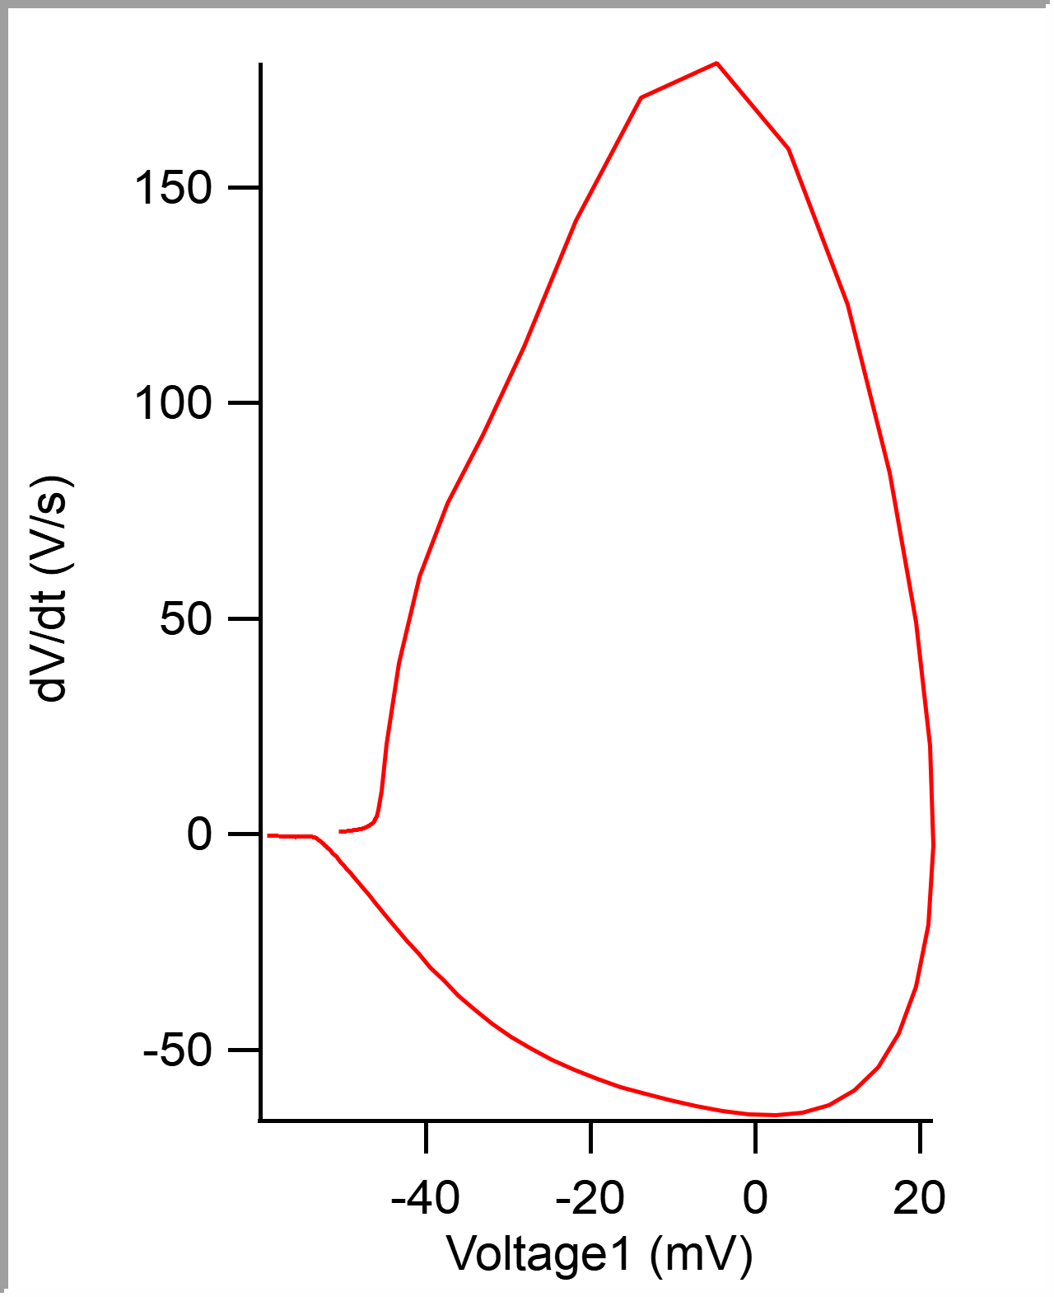
 |  |  |  |  |  |  |  |  |  |  | 5.00E-05 | -0.050533164 | -50.533164 | -0.049920656
 |  |  |  |  |  |  |  |  |  |  | 0.0001 | -0.050505646 | -50.505646 | -0.049884032
 |  |  |  |  |  |  |  |  |  |  | 0.00015 | -0.050478801 | -50.478801 | -0.049847413
 |  |  |  |  |  |  |  |  |  |  | 0.0002 | -0.050452009 | -50.452009 | -0.049822997
 |  |  |  |  |  |  |  |  |  |  | 0.00025 | -0.050422288 | -50.422288 | -0.04981079
 |  |  |  |  |  |  |  |  |  |  | 0.0003 | -0.050391566 | -50.391566 | -0.049786378
 |  |  |  |  |  |  |  |  |  |  | 0.00035 | -0.050362043 | -50.362043 | -0.049761962
 |  |  |  |  |  |  |  |  |  |  | 0.0004 | -0.050332539 | -50.332539 | -0.049731445
 |  |  |  |  |  |  |  |  |  |  | 0.00045 | -0.050302163 | -50.302163 | -0.049719237
 |  |  |  |  |  |  |  |  |  |  | 0.0005 | -0.050270624 | -50.270624 | -0.049682617
 |  |  |  |  |  |  |  |  |  |  | 0.00055 | -0.050240114 | -50.240114 | -0.049639892
 |  |  |  |  |  |  |  |  |  |  | 0.0006 | -0.05020522 | -50.20522 | -0.049591064
 |  |  |  |  |  |  |  |  |  |  | 0.00065 | -0.050173271 | -50.173271 | -0.049554445
 |  |  |  |  |  |  |  |  |  |  | 0.0007 | -0.050139938 | -50.139938 | -0.049505614
 |  |  |  |  |  |  |  |  |  |  | 0.00075 | -0.050110083 | -50.110083 | -0.049456786
 |  |  |  |  |  |  |  |  |  |  | 0.0008 | -0.050080787 | -50.080787 | -0.049432375
 |  |  |  |  |  |  |  |  |  |  | 0.00085 | -0.050049264 | -50.049264 | -0.049450684
 |  |  |  |  |  |  |  |  |  |  | 0.0009 | -0.050018597 | -50.018597 | -0.049444579
 |  |  |  |  |  |  |  |  |  |  | 0.00095 | -0.049987148 | -49.987148 | -0.049401857
 |  |  |  |  |  |  |  |  |  |  | 0.001 | -0.049958199 | -49.958199 | -0.049365234
 |  |  |  |  |  |  |  |  |  |  | 0.00105 | -0.049927264 | -49.927264 | -0.049359132
 |  |  |  |  |  |  |  |  |  |  | 0.0011 | -0.049896661 | -49.896661 | -0.049316406
 |  |  |  |  |  |  |  |  |  |  | 0.00115 | -0.049867738 | -49.867738 | -0.049298096
 |  |  |  |  |  |  |  |  |  |  | 0.0012 | -0.049836788 | -49.836788 | -0.049298096
 |  |  |  |  |  |  |  |  |  |  | 0.00125 | -0.04980154 | -49.80154 | -0.049285889
 |  |  |  |  |  |  |  |  |  |  | 0.0013 | -0.049767058 | -49.767058 | -0.049261473
 |  |  |  |  |  |  |  |  |  |  | 0.00135 | -0.049732231 | -49.732231 | -0.049218751
 |  |  |  |  |  |  |  |  |  |  | 0.0014 | -0.049700636 | -49.700636 | -0.049188234
 |  |  |  |  |  |  |  |  |  |  | 0.00145 | -0.049665377 | -49.665377 | -0.049121093
 |  |  |  |  |  |  |  |  |  |  | 0.0015 | -0.049628194 | -49.628194 | -0.049060058
...

c6_R2
Peak (mV) | Peak Time (ms) | AHP m(V) | AHP Time (ms) | Interevent Interval (s) | Max Slope (V/s) | Min Slope (V/s) | Max/Min dV/dt | AP Duration @ 50% (s) | Number of Events | Time | First Event |  | Last Event
12.416713016 | 0.31681614677 | -49.980950368 | 14.83632287 | 44.845269144 | 94.711235265 | -42.107415404 | 2.2492768639 | 1.2549350749 | 223 | X | Y (V) | Y (mV) | Y (V)
 |  |  |  |  |  |  |  |  |  | 0 | -0.046169605 | -46.169605 | -0.046728514
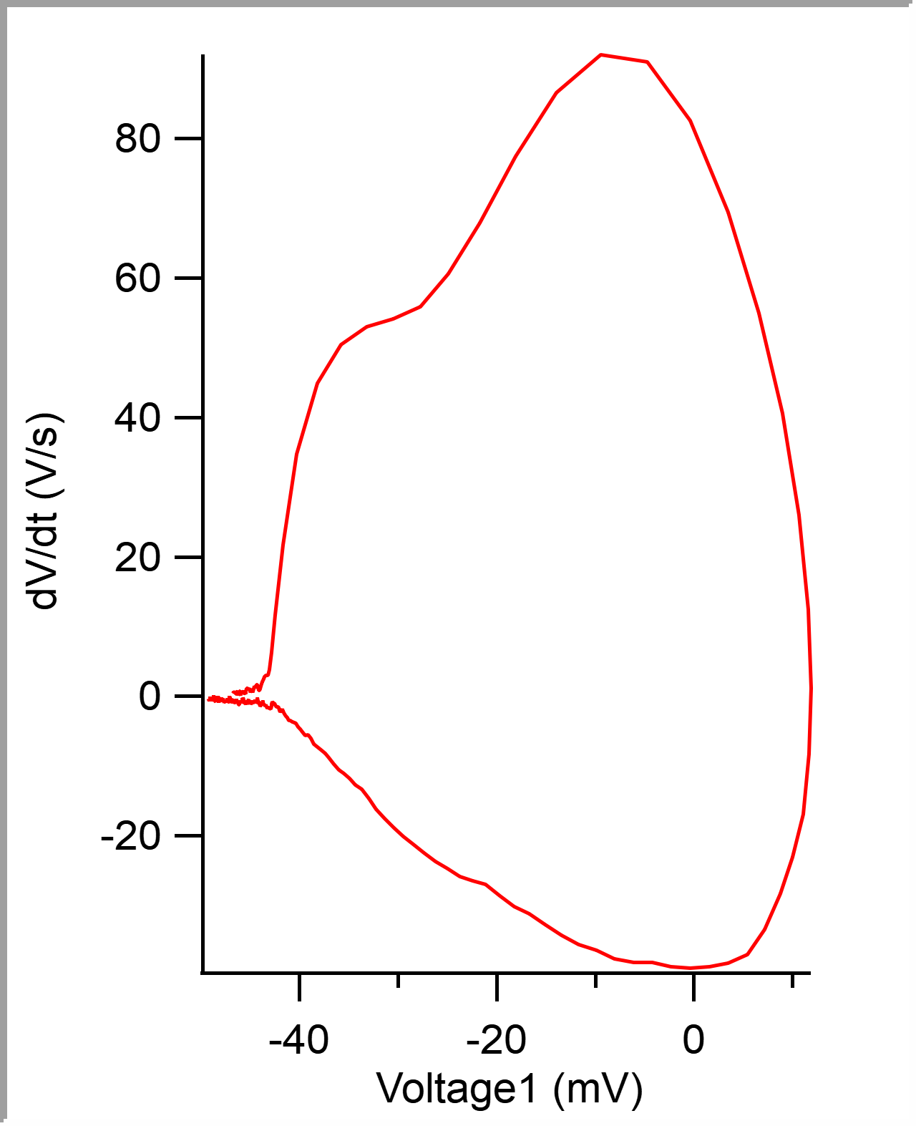
 |  |  |  |  |  |  |  |  |  | 5.00E-05 | -0.046144381 | -46.144381 | -0.046704102
 |  |  |  |  |  |  |  |  |  | 0.0001 | -0.046115667 | -46.115667 | -0.046661377
 |  |  |  |  |  |  |  |  |  | 0.00015 | -0.046087082 | -46.087082 | -0.046636961
 |  |  |  |  |  |  |  |  |  | 0.0002 | -0.046060972 | -46.060972 | -0.046606444
 |  |  |  |  |  |  |  |  |  | 0.00025 | -0.046032663 | -46.032663 | -0.046575926
 |  |  |  |  |  |  |  |  |  | 0.0003 | -0.046005663 | -46.005663 | -0.046533205
 |  |  |  |  |  |  |  |  |  | 0.00035 | -0.045978226 | -45.978226 | -0.046508789
 |  |  |  |  |  |  |  |  |  | 0.0004 | -0.045951173 | -45.951173 | -0.046496581
 |  |  |  |  |  |  |  |  |  | 0.00045 | -0.045924205 | -45.924205 | -0.046472169
 |  |  |  |  |  |  |  |  |  | 0.0005 | -0.045895219 | -45.895219 | -0.046447754
 |  |  |  |  |  |  |  |  |  | 0.00055 | -0.045866534 | -45.866534 | -0.046435546
 |  |  |  |  |  |  |  |  |  | 0.0006 | -0.045840431 | -45.840431 | -0.046417236
 |  |  |  |  |  |  |  |  |  | 0.00065 | -0.045811258 | -45.811258 | -0.046405029
 |  |  |  |  |  |  |  |  |  | 0.0007 | -0.045781597 | -45.781597 | -0.046356201
 |  |  |  |  |  |  |  |  |  | 0.00075 | -0.04575019 | -45.75019 | -0.046331786
 |  |  |  |  |  |  |  |  |  | 0.0008 | -0.045719758 | -45.719758 | -0.046289064
 |  |  |  |  |  |  |  |  |  | 0.00085 | -0.045691285 | -45.691285 | -0.046252441
 |  |  |  |  |  |  |  |  |  | 0.0009 | -0.045660108 | -45.660108 | -0.046234131
 |  |  |  |  |  |  |  |  |  | 0.00095 | -0.045627978 | -45.627978 | -0.046221923
 |  |  |  |  |  |  |  |  |  | 0.001 | -0.045596413 | -45.596413 | -0.046179198
 |  |  |  |  |  |  |  |  |  | 0.00105 | -0.045563318 | -45.563318 | -0.046173096
 |  |  |  |  |  |  |  |  |  | 0.0011 | -0.045529589 | -45.529589 | -0.046160888
 |  |  |  |  |  |  |  |  |  | 0.00115 | -0.045498565 | -45.498565 | -0.04614868
 |  |  |  |  |  |  |  |  |  | 0.0012 | -0.045465034 | -45.465034 | -0.04613037
 |  |  |  |  |  |  |  |  |  | 0.00125 | -0.045434225 | -45.434225 | -0.046112061
 |  |  |  |  |  |  |  |  |  | 0.0013 | -0.045400649 | -45.400649 | -0.046057127
 |  |  |  |  |  |  |  |  |  | 0.00135 | -0.045368478 | -45.368478 | -0.046032716
 |  |  |  |  |  |  |  |  |  | 0.0014 | -0.045336369 | -45.336369 | -0.046002198
 |  |  |  |  |  |  |  |  |  | 0.00145 | -0.045306485 | -45.306485 | -0.045996092
 |  |  |  |  |  |  |  |  |  | 0.0015 | -0.045272764 | -45.272764 | -0.04598999
...

c7_R6
Threshold Time (ms) | Peak (mV) | Peak Time (ms) | AHP m(V) | AHP Time (ms) | Interevent Interval (s) | Max Slope (V/s) | Min Slope (V/s) | Max/Min dV/dt | AP Duration @ 50% (s) | Number of Events | Time | First Event |  | Last Event
-0.95739436901 | 7.1872764866 | 0.61549297246 | -49.241745549 | 14.897887324 | 70.41063756 | 61.856122239 | -10.898644396 | 5.6755794564 | 3.5691381873 | 142 | X | Y (V) | Y (mV) | Y (V)
 |  |  |  |  |  |  |  |  |  |  | 0 | -0.046495344 | -46.495344 | -0.046203613
 |  |  |  |  |  |  |  |  |  |  | 5.00E-05 | -0.046456251 | -46.456251 | -0.046166994
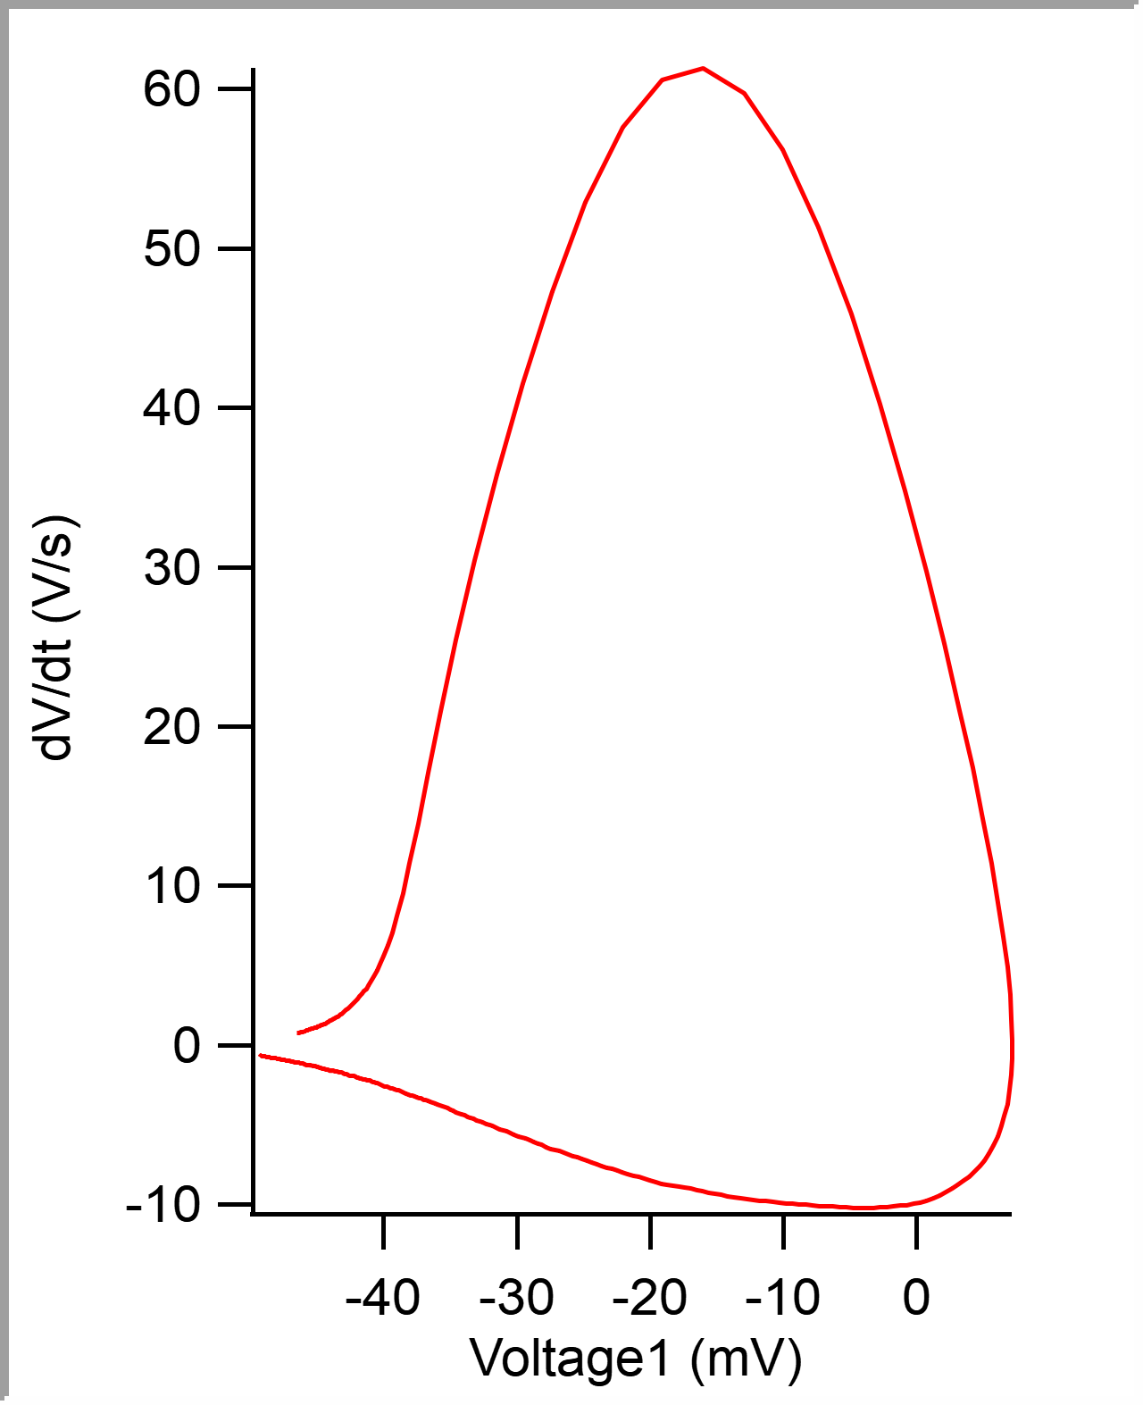
 |  |  |  |  |  |  |  |  |  |  | 0.0001 | -0.04641759 | -46.41759 | -0.046087645
 |  |  |  |  |  |  |  |  |  |  | 0.00015 | -0.046378244 | -46.378244 | -0.046044923
 |  |  |  |  |  |  |  |  |  |  | 0.0002 | -0.046338495 | -46.338495 | -0.04597168
 |  |  |  |  |  |  |  |  |  |  | 0.00025 | -0.046298776 | -46.298776 | -0.04590454
 |  |  |  |  |  |  |  |  |  |  | 0.0003 | -0.046259668 | -46.259668 | -0.045874022
 |  |  |  |  |  |  |  |  |  |  | 0.00035 | -0.046218414 | -46.218414 | -0.045825195
 |  |  |  |  |  |  |  |  |  |  | 0.0004 | -0.046177186 | -46.177186 | -0.045794677
 |  |  |  |  |  |  |  |  |  |  | 0.00045 | -0.046135012 | -46.135012 | -0.045739748
 |  |  |  |  |  |  |  |  |  |  | 0.0005 | -0.046093404 | -46.093404 | -0.04570923
 |  |  |  |  |  |  |  |  |  |  | 0.00055 | -0.046051841 | -46.051841 | -0.045660399
 |  |  |  |  |  |  |  |  |  |  | 0.0006 | -0.046010662 | -46.010662 | -0.045605469
 |  |  |  |  |  |  |  |  |  |  | 0.00065 | -0.045964878 | -45.964878 | -0.045568846
 |  |  |  |  |  |  |  |  |  |  | 0.0007 | -0.045919187 | -45.919187 | -0.045526125
 |  |  |  |  |  |  |  |  |  |  | 0.00075 | -0.045875363 | -45.875363 | -0.045471191
 |  |  |  |  |  |  |  |  |  |  | 0.0008 | -0.045828383 | -45.828383 | -0.045434572
 |  |  |  |  |  |  |  |  |  |  | 0.00085 | -0.045782045 | -45.782045 | -0.045391846
 |  |  |  |  |  |  |  |  |  |  | 0.0009 | -0.04573489 | -45.73489 | -0.045355223
 |  |  |  |  |  |  |  |  |  |  | 0.00095 | -0.045687918 | -45.687918 | -0.045318604
 |  |  |  |  |  |  |  |  |  |  | 0.001 | -0.045641065 | -45.641065 | -0.045275878
 |  |  |  |  |  |  |  |  |  |  | 0.00105 | -0.045590643 | -45.590643 | -0.045239259
 |  |  |  |  |  |  |  |  |  |  | 0.0011 | -0.045540813 | -45.540813 | -0.045214843
 |  |  |  |  |  |  |  |  |  |  | 0.00115 | -0.045490015 | -45.490015 | -0.045172118
 |  |  |  |  |  |  |  |  |  |  | 0.0012 | -0.045439299 | -45.439299 | -0.045135498
 |  |  |  |  |  |  |  |  |  |  | 0.00125 | -0.045387071 | -45.387071 | -0.045098878
 |  |  |  |  |  |  |  |  |  |  | 0.0013 | -0.045336362 | -45.336362 | -0.045050047
 |  |  |  |  |  |  |  |  |  |  | 0.00135 | -0.045283224 | -45.283224 | -0.04501953
 |  |  |  |  |  |  |  |  |  |  | 0.0014 | -0.045228682 | -45.228682 | -0.044927977
 |  |  |  |  |  |  |  |  |  |  | 0.00145 | -0.045174714 | -45.174714 | -0.044854738
 |  |  |  |  |  |  |  |  |  |  | 0.0015 | -0.04511968 | -45.11968 | -0.044769287
 |  |  |  |  |  |  |  |  |  |  | 0.00155 | -0.045065261 | -45.065261 | -0.04470215
...

